Sheet1
 | OS | Operating System : Program/Software runs between user and hardware; Controls and Manage with Hardwares; Kernal - OS runs all the time on a computer, usually its named as kernal

 | Must Do : | -- CPU Time -- Memory Space -- File-Storage space -- I/O Device -- Computer System Operation ( --
 | Consists/Components : | -- Bootstrap --
 | Features :

 | Computer-System Operation | -- One or more CPU, Devices (keyboard, mouse etc) are COMPETING for memory cycle; | 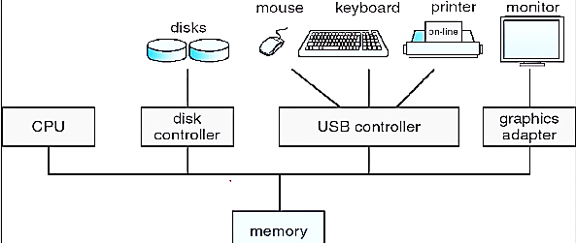
 | Bootstrap (What) | -- A simple program runs ahead of OS; -- Locates OS and loads it into memory
 | Bootstrap (How)

 | Interrupt | An Occurance of EVENT from Software or Hardware creates INTERRUPT that signal to CPU. Software interrupt usually called as "System Call" or "Monitor Call"

what | Device Controller | -- All device Interaction to CPU, Shared Memory are through Device Controller -- All I/O devices attached to Device Controller; -- CPU and device controller executes CONCURRENTLY, COMPETE FOR SHARED MEM
How | Device Controller | each device (got unique number) creates interrupt, each interrupt contains pointer to "interrupt service routine"; when interrup occurs corresponding interrupt service gets executed;

